Default value
Table CO2 Emission Factories in g-CO2/t-km for Different Transport Modes
Vehicle Type |  | Value | Unit
Road | Commercial standard sized vehicles | 173 | gCO2/ton-km
 | Commercial small size vehicles | 808 | gCO2/ton-km
 | Commercial small mini vehicles | 1,951 | gCO2/ton-km
 | Private standard sized vehicles | 394 | gCO2/ton-km
 | Private small size vehicles | 3,443 | gCO2/ton-km
Railway |  | 22 | gCO2/ton-km
Domestic vessels |  | 39 | gCO2/ton-km
Domestic airway |  | 1,490 | gCO2/ton-km
Source: CO2 Emission Estimation Guideline for Logistics, Version 3.0, METI and MLIT, Japan

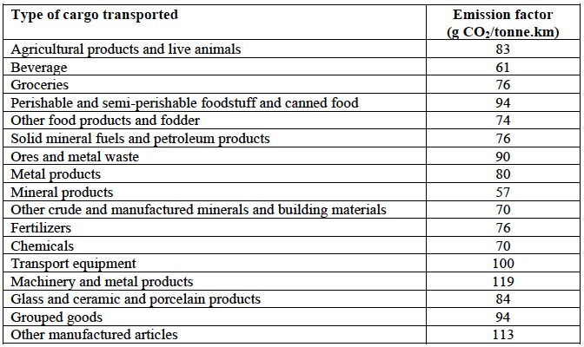

Source: Approved baseline and monitoring methodology AM0090: Modal shift in transportation of cargo from road transportation to water or rail transportation.

