Default value
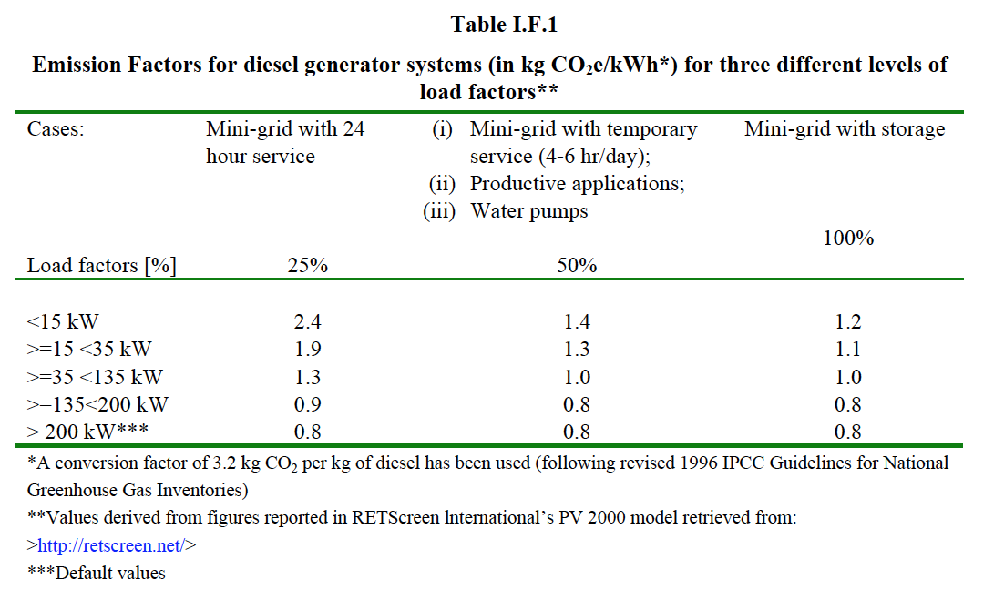
Table CO2 Emission Factors for Standalone Power Generation
Type | Value | Unit

Source: Small Scale CDM Methodology: AMS I.F. ver.2

